Sheet1
 |  | Document No. | Issue No. | Issue Date |  | Review and Replace Date |  | Authorised By
 |  | GFF210MC | 1 | 10.09.2020 |  | New Issue
 |  | Document Title | CHICKEN CHETTINAD 350g
 |  |  |  |  |  |  |  | Magda Shah
Document amendments reason for change |  | New Product Launch | Page 1 of 1 |  | Previous Issue Date |  | New Issue | Uncontrolled copy unless signed original

CCCHET1-R4TCC | CHEFS CREATION |  | CHICKEN CHETTINAD 350g | CHILLED
STEP 1 |  |  |  |  | STEP 2
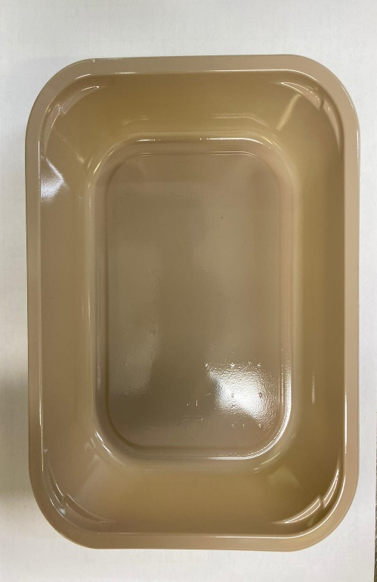 |  |  |  |  | 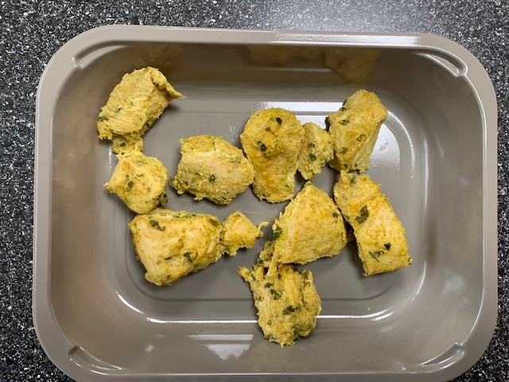

Tray: EVOLVE CPET 2200-1E (PKRHP001-08) |  |  |  |  | Gazebo Marinated Chicken (CC) (GFF318R): 100g
Line 1: Mylar 250LAF 250mm x 1000 (PKWRA001-08)
Line 1: K-Peel 75G + AF 25 250mm (PKKMP001-01)
Line 2: Mylar 25OLAF - 380mm wide (PKWRA001-02)
STEP 3 |  |  |  |  | STEP 4
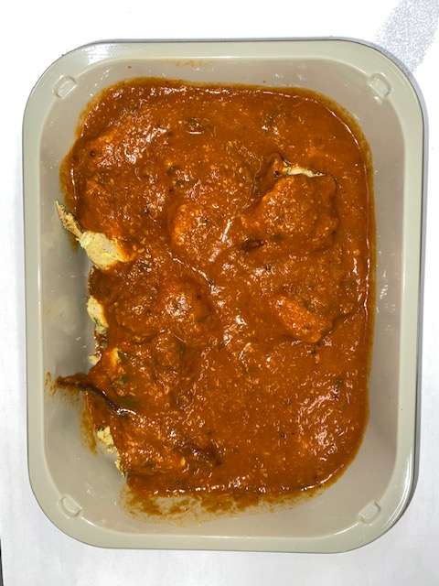 |  |  |  |  | 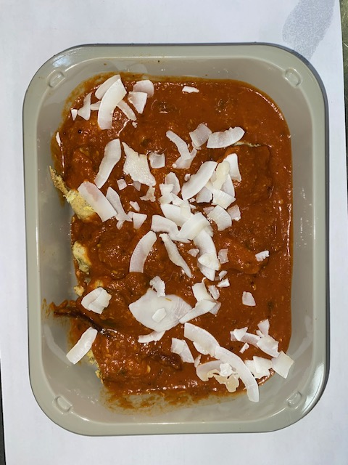

Chettinad Sauce (CC) (GFF320R): 245g |  |  |  |  | Raw Coconut Chips (RMKLU001-05): 5g
100g + 245g = 345g |  |  |  |  | TOTAL WEIGHT: 350g
ALLERGY ALERT: MUSTARD

